Sample Data
EEID | Full Name | Job Title | Department | Business Unit | Gender | Ethnicity | Age | Hire Date | Annual Salary | Bonus % | Country | City | Exit Date | Full City Name
E02387 | Emily Davis | Sr. Manger | IT | Research & Development | Female | Black | 55 | 2016-04-08 | $141,604 | 15% | United States | Seattle | 2021-10-16 | Seattle, United States | Excel Add-Ins Analisys Pak |  | Pivot Tables
E04105 | Theodore Dinh | Technical Architect | IT | Manufacturing | Male | Asian | 59 | 1997-11-29 | $99,975 | 0% | China | Chongqing |  | Chongqing, China
E02572 | Luna Sanders 2 | Director | Finance | Speciality Products | Female | Caucasian | 50 | 2006-10-26 | $163,099 | 20% | United States | Chicago |  | Chicago, United States | Annual Salary |  | Row Labels | Count of Gender | Row Labels | Min of Annual Salary
E02832 | Penelope Jordan | Computer Systems Manager | IT | Manufacturing | Female | Caucasian | 26 | 2019-09-27 | $84,913 | 7% | United States | Chicago |  | Chicago, United States |  |  | Female | 518 | Brazil | 40316
E01639 | Austin Vo | Sr. Analyst | Finance | Manufacturing | Male | Asian | 55 | 1995-11-20 | $95,409 | 0% | United States | Phoenix |  | Phoenix, United States | Mean | 113204.16084 | Male | 483 | China | 41728
E00644 | Joshua Gupta | Account Representative | Sales | Corporate | Male | Asian | 57 | 2017-01-24 | $50,994 | 0% | China | Chongqing |  | Chongqing, China | Standard Error | 1691.6318488 | Grand Total | 1001 | United States | 40063
E01550 | Ruby Barnes | Manager | IT | Corporate | Female | Caucasian | 27 | 2020-07-01 | $119,746 | 10% | United States | Phoenix |  | Phoenix, United States | Median | 96566 |  |  | Grand Total | 40063
E04332 | Luke Martin | Analyst | Finance | Manufacturing | Male | Black | 25 | 2020-05-16 | $41,336 | 0% | United States | Miami | 2021-05-20 | Miami, United States | Mode | 146140 | Row Labels | Count of Country
E04533 | Easton Bailey | Manager | Accounting | Manufacturing | Male | Caucasian | 29 | 2019-01-25 | $113,527 | 6% | United States | Austin |  | Austin, United States | Standard Deviation | 53520.836412 | Brazil | 139 | Row Labels | Max of Annual Salary
E03838 | Madeline Walker | Sr. Analyst | Finance | Speciality Products | Female | Caucasian | 34 | 2018-06-13 | $77,203 | 0% | United States | Chicago |  | Chicago, United States | Sample Variance | 2864479930.2 | China | 218 | Brazil | 258426
E00591 | Savannah Ali | Sr. Manger | Human Resources | Manufacturing | Female | Asian | 36 | 2009-02-11 | $157,333 | 15% | United States | Miami |  | Miami, United States | Kurtosis | -0.040240637616 | United States | 644 | China | 257194
E03344 | Camila Rogers | Controls Engineer | Engineering | Speciality Products | Female | Caucasian | 27 | 2021-10-21 | $109,851 | 0% | United States | Seattle |  | Seattle, United States | Skewness | 0.88748880352 | Grand Total | 1001 | United States | 258498
E00530 | Eli Jones | Manager | Human Resources | Manufacturing | Male | Caucasian | 59 | 1999-03-14 | $105,086 | 9% | United States | Austin |  | Austin, United States | Range | 218435 |  |  | Grand Total | 258498
E04239 | Everleigh Ng | Sr. Manger | Finance | Research & Development | Female | Asian | 51 | 2021-06-10 | $146,742 | 10% | China | Shanghai |  | Shanghai, China | Minimum | 40063 | Row Labels | Count of Ethnicity
E03496 | Robert Yang | Sr. Analyst | Accounting | Speciality Products | Male | Asian | 31 | 2017-11-04 | $97,078 | 0% | United States | Austin | 2020-03-09 | Austin, United States | Maximum | 258498 | Asian | 405 | Row Labels | Average of Annual Salary
E00549 | Isabella Xi | Vice President | Marketing | Research & Development | Female | Asian | 41 | 2013-03-13 | $249,270 | 30% | United States | Seattle |  | Seattle, United States | Sum | $113,317,365 | Black | 74 | Brazil | 112324.83453
E00163 | Bella Powell | Director | Finance | Research & Development | Female | Black | 65 | 2002-03-04 | $175,837 | 20% | United States | Phoenix |  | Phoenix, United States | Count | 1001 | Caucasian | 271 | China | 113823.53211
E00884 | Camila Silva | Sr. Manger | Marketing | Speciality Products | Female | Latino | 64 | 2003-12-01 | $154,828 | 13% | United States | Seattle |  | Seattle, United States |  |  | Latino | 251 | United States | 113184.29037
E04116 | David Barnes | Director | IT | Corporate | Male | Caucasian | 64 | 2013-11-03 | $186,503 | 24% | United States | Columbus |  | Columbus, United States |  |  | Grand Total | 1001 | Grand Total | 113204.16084
E04625 | Adam Dang | Director | Sales | Research & Development | Male | Asian | 45 | 2002-07-09 | $166,331 | 18% | China | Chongqing |  | Chongqing, China
E03680 | Elias Alvarado | Sr. Manger | IT | Manufacturing | Male | Latino | 56 | 2012-01-09 | $146,140 | 10% | Brazil | Manaus |  | Manaus, Brazil |  |  |  |  | Row Labels | Average of Age
E04732 | Eva Rivera | Director | Sales | Manufacturing | Female | Latino | 36 | 2021-04-02 | $151,703 | 21% | United States | Miami |  | Miami, United States |  |  |  |  | Brazil | 43.654676259
E03484 | Logan Rivera | Director | IT | Research & Development | Male | Latino | 59 | 2002-05-24 | $172,787 | 28% | Brazil | Rio de Janerio |  | Rio de Janerio, Brazil |  |  |  |  | China | 45.389908257
E00671 | Leonardo Dixon | Analyst | Sales | Speciality Products | Male | Caucasian | 37 | 2019-09-05 | $49,998 | 0% | United States | Seattle |  | Seattle, United States |  |  |  |  | United States | 44.167701863
E02071 | Mateo Her | Vice President | Sales | Speciality Products | Male | Asian | 44 | 2014-03-02 | $207,172 | 31% | China | Chongqing |  | Chongqing, China |  |  |  |  | Grand Total | 44.362637363
E02206 | Jose Henderson | Director | Human Resources | Speciality Products | Male | Black | 41 | 2015-04-17 | $152,239 | 23% | United States | Columbus |  | Columbus, United States
E04545 | Abigail Mejia | Quality Engineer | Engineering | Corporate | Female | Latino | 56 | 2005-02-05 | $98,581 | 0% | Brazil | Rio de Janerio |  | Rio de Janerio, Brazil
E00154 | Wyatt Chin | Vice President | Engineering | Speciality Products | Male | Asian | 43 | 2004-06-07 | $246,231 | 31% | United States | Seattle |  | Seattle, United States
E03343 | Carson Lu | Engineering Manager | Engineering | Speciality Products | Male | Asian | 64 | 1996-12-04 | $99,354 | 12% | China | Beijing |  | Beijing, China | Contoh Chart dari data di table
E00304 | Dylan Choi | Vice President | IT | Corporate | Male | Asian | 63 | 2012-05-11 | $231,141 | 34% | China | Beijing |  | Beijing, China
E02594 | Ezekiel Kumar | IT Coordinator | IT | Research & Development | Male | Asian | 28 | 2017-06-25 | $54,775 | 0% | United States | Columbus |  | Columbus, United States
E00402 | Dominic Guzman | Analyst | Finance | Manufacturing | Male | Latino | 65 | 2004-05-16 | $55,499 | 0% | Brazil | Manaus |  | Manaus, Brazil
E01994 | Angel Powell | Analyst II | Sales | Research & Development | Male | Caucasian | 61 | 2008-07-11 | $66,521 | 0% | United States | Seattle |  | Seattle, United States
E03549 | Mateo Vu | Account Representative | Sales | Speciality Products | Male | Asian | 30 | 2016-09-29 | $59,100 | 0% | China | Chongqing |  | Chongqing, China
E03247 | Caroline Jenkins | Analyst | Finance | Research & Development | Female | Caucasian | 27 | 2018-05-06 | $49,011 | 0% | United States | Chicago |  | Chicago, United States
E02074 | Nora Brown | Enterprise Architect | IT | Manufacturing | Female | Caucasian | 32 | 2014-02-11 | $99,575 | 0% | United States | Austin |  | Austin, United States
E04152 | Adeline Huang | Controls Engineer | Engineering | Manufacturing | Female | Asian | 34 | 2019-12-16 | $99,989 | 0% | China | Chengdu |  | Chengdu, China
E01628 | Jackson Perry | Vice President | Marketing | Research & Development | Male | Caucasian | 27 | 2019-10-20 | $256,420 | 30% | United States | Phoenix |  | Phoenix, United States
E04285 | Riley Padilla | Technical Architect | IT | Manufacturing | Female | Latino | 35 | 2013-05-15 | $78,940 | 0% | United States | Miami |  | Miami, United States
E01417 | Leah Pena | Enterprise Architect | IT | Corporate | Female | Latino | 57 | 1994-01-03 | $82,872 | 0% | Brazil | Manaus |  | Manaus, Brazil
E01754 | Owen Lam | Sr. Business Partner | Human Resources | Speciality Products | Male | Asian | 30 | 2017-05-29 | $86,317 | 0% | China | Chengdu | 2017-07-16 | Chengdu, China
E03749 | Kennedy Foster | Manager | Marketing | Speciality Products | Female | Caucasian | 53 | 2013-11-23 | $113,135 | 5% | United States | Austin |  | Austin, United States
E03574 | John Moore | Vice President | IT | Speciality Products | Male | Caucasian | 52 | 2005-11-08 | $199,808 | 32% | United States | Seattle |  | Seattle, United States
E04600 | William Vu | Account Representative | Sales | Speciality Products | Male | Asian | 37 | 2013-11-14 | $56,037 | 0% | China | Shanghai |  | Shanghai, China
E00586 | Sadie Washington | Sr. Manger | Marketing | Research & Development | Female | Caucasian | 29 | 2019-05-24 | $122,350 | 12% | United States | Phoenix |  | Phoenix, United States
E03538 | Gabriel Holmes | Enterprise Architect | IT | Research & Development | Male | Caucasian | 40 | 2010-11-04 | $92,952 | 0% | United States | Seattle |  | Seattle, United States
E02185 | Wyatt Rojas | Computer Systems Manager | IT | Corporate | Male | Latino | 32 | 2013-03-20 | $79,921 | 5% | United States | Austin |  | Austin, United States | Contoh Chart dari Pivot Table
E03830 | Eva Coleman | Director | IT | Research & Development | Female | Black | 37 | 2009-09-20 | $167,199 | 20% | United States | Seattle |  | Seattle, United States
E03720 | Dominic Clark | Quality Engineer | Engineering | Research & Development | Male | Caucasian | 52 | 2012-10-17 | $71,476 | 0% | United States | Phoenix |  | Phoenix, United States

Sample Dashboard
KARYAWAN | 49 | United States | 644 | Male | 483 | Asian | 405
 |  | China | 218 | Female | 518 | Caucasian | 271
 |  | Brazil | 139 |  |  | Black | 74
 |  | Other |  |  |  | Latino | 251
 |  |  |  |  |  | Other

Average Salary
 | Total
Brazil | 112324.83453
China | 113823.53211
United States | 113184.29037
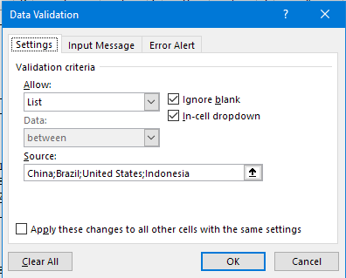
Country |  |  |  |  |  |  |  | Gunakan Data Validation List untuk dropdown negara
China

Min Salary | $41,728
Max Salary | $231,141
Average Salary | $113,824

Employee
Emily Davis

EEID | E02387
Full Name | Emily Davis
Job Title | Sr. Manger
Department | IT
Business Unit | Research & Development |  |  |  |  |  |  | Untuk Employee selection, buat dulu sebuah Name Reference (misal: Set_Employee) dari Excel Name Manager
Ethnicity
 | Total
Asian | 405
Black | 74
Caucasian | 271
Latino | 251
Gender | Female |  |  |  |  |  |  | Kemudian, buat Data Validation list di cell B16 dari Name Reference (jangan lupa diberi tanda Sama-Dengan)
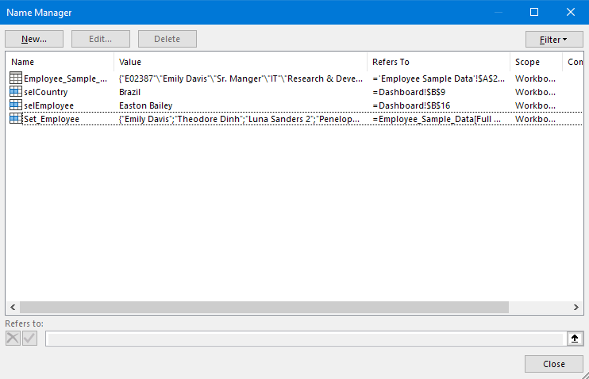
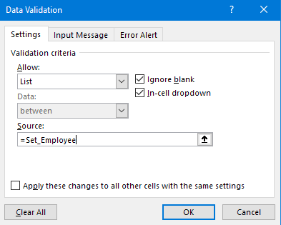
Ethnicity | Black
Age | 55
Hire Date | 2016-04-08
Annual Salary | $141,604
Bonus % | 15%
Country | United States
City | Seattle
Exit Date | 2021-10-16

Exercise Dashboard
Silakan load dulu data Employee (1000 baris) dar file csv di sebuah Table baru (jangan pakai data di worksheet Sample Data sudah dikurangi jadi 49 baris)

KARYAWAN | 1000 | United States | 643 | Male | 482 | Asian | 404 | Row Labels | Count of Country | Row Labels | Count of Gender | Row Labels | Count of Ethnicity
 |  | China | 218 | Female | 518 | Caucasian | 271 | Brazil | 139 | Female | 518 | Asian | 404
 |  | Brazil | 139 |  |  | Black | 74 | China | 218 | Male | 482 | Black | 74
 |  |  |  |  |  | Latino | 251 | United States | 643 | (blank) |  | Caucasian | 271
 |  |  |  |  |  |  |  | (blank) |  | Grand Total | 1000 | Latino | 251
 |  |  |  |  |  |  |  | Grand Total | 1000 |  |  | Grand Total | 1000
Average Salary
ganti dengan sebuah chart
Country
United States
 |  |  |  |  |  |  |  | Row Labels | Min of Annual Salary | Max of Annual Salary | Average of Annual Salary
Min Salary | $40,063 |  |  |  |  |  |  | Asian | 40063 | 257194 | 117627.97277 |  | Row Labels | Average of Annual Salary
Max Salary | $258,498 |  |  |  |  |  |  | Black | 41336 | 246619 | 109021.97297 |  | Brazil | 112324.83453
Average Salary | $113,205 |  |  |  |  |  |  | Caucasian | 40124 | 256420 | 109345.02214 |  | China | 113823.53211
 |  |  |  |  |  |  |  | Latino | 40316 | 258498 | 111536.00398 |  | United States | 113204.79471
Ethnicity |  |  |  |  |  |  |  | (blank) |  |  |  |  | Grand Total | 113217.365
Caucasian |  |  |  |  |  |  |  | Grand Total | 40063 | 258498 | 113217.365

Min Salary | $40,124 |  |  |  |  |  |  | Row Labels | Min of Annual Salary | Max of Annual Salary | Average of Annual Salary
Max Salary | $256,420 |  |  |  |  |  |  | Brazil | 40316 | 258426 | 112324.83453
Average Salary | $109,345 |  |  |  |  |  |  | China | 41728 | 257194 | 113823.53211
Ethnicity
ganti dengan sebuah chart
 |  |  |  |  |  |  |  | United States | 40063 | 258498 | 113204.79471
Employee |  |  |  |  |  |  |  | (blank)
Emily Davis |  |  |  |  |  |  |  | Grand Total | 40063 | 258498 | 113217.365

EEID | E02387
Full Name | Emily Davis
Job Title | Sr. Manger
Department | IT
Business Unit | Research & Development
Gender | Female
Ethnicity | Black
Age | 55
Hire Date | 2016-04-08
Annual Salary | $141,604
Bonus % | 15%
Country | United States
City | Seattle
Exit Date | 2021-10-16

